Programer Scheduling
Production01 - Alpha Build
3.30~4.6 | 4.7~4.10 |  |  |  | 4.11~4.12 |  | 4.13
Scenes | Tower |  |  |  | Enemy |  | Alpha Build | program
Map Tool | Build Tower | Upgrade Tower | Sell Tower | Tower Function | AI |  | Alpha Build

3.29 | 3.30~4.1 |  |  |  |  | 4.2~4.5 |  |  |  |  |  |  | 4.6~4.12
3C Design | Scene |  | Tower Design |  | Level | Slingshot Ball |  |  | Enemy |  |  | UX | Level | Animation | design
Control Design | Scene Asset |  | Tower Variety | Value Variety | Layout | Sling Tower Ball | Sling Upgrade Ball | Sling Sell Ball(?) | AI | Value Variety | Enemy Variety | UX Function | Level build | Animation
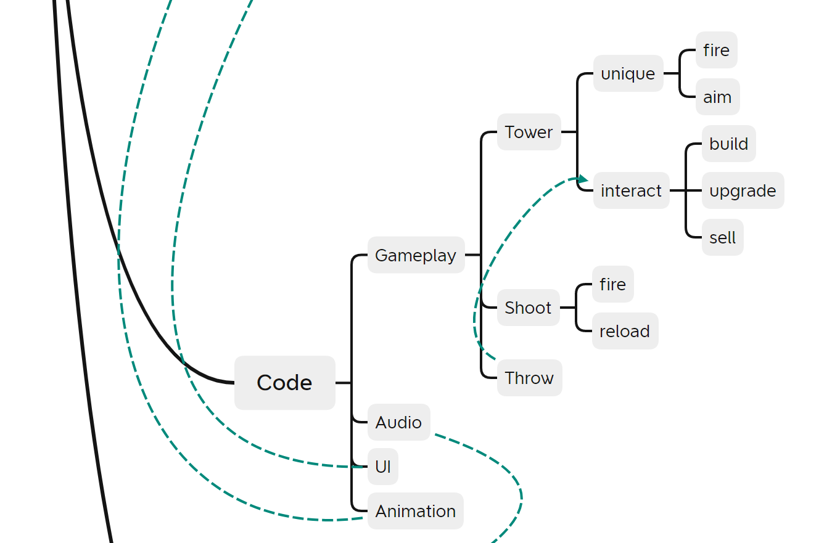

3.31
Slingshot |  |  |  | Oprah, Matt
Base Sling | Sling Tower | Sling Upgrade | Sling Sell

3.31 | 4.1~4.5 |  |  |  | 4.6~4.7
Artstyle | Slingshot |  |  |  | Scene |  | Tower Design |  | Enemy |  | UI
Artstyle | Base Sling | Sling Tower | Sling Upgrade | Sling Sell | Scene Asset |  | Tower Variety | Value Variety | Value Variety | Enemy Variety | UI art

New Level
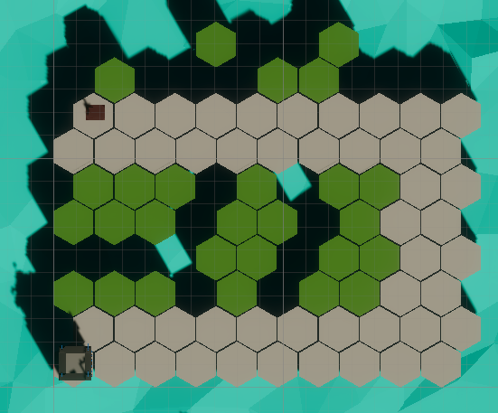
Initial Gold: 60 |  |  | Initial Life: 20 |  | Gold Growth: 1/sec

Round | True Interval | Name | Speed (grid/sec) | Number | Distance(gird) | gap time (sec) | Spawn Time | *Last Time (sec) | Rewards | Money at begin
1 | 40 | Regular | 0.5 | 5 | 0.8 | 1.60 | 0 | 8 | 25 | 90
2 | 40 | Fast | 0.8 | 10 | 0.8 | 1.00 | 0 | 10 | 10 | 155
3 | 40 | Strong | 0.4 | 3 | 2 | 5.00 | 0 | 15 | 30 | 205
4 | 40 | Regular | 0.5 | 10 | 0.75 | 1.50 | 0 | 15 | 50 | 275
 |  | Giant | 0.3 | 1 |  | 0.00 | 15 | 0

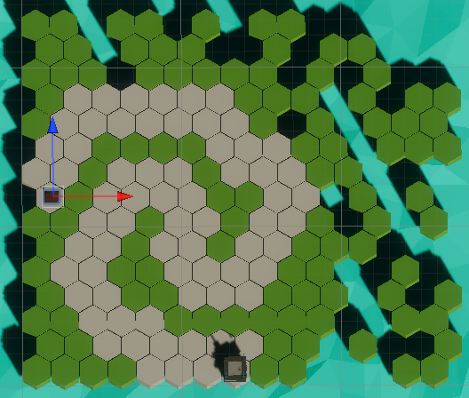
Initial Gold: 100 |  |  | Initial Life: 20 |  | Gold Growth: 1/sec
Round | True Interval | Name | Speed (grid/sec) | Number | Distance(gird) | gap time (sec) | Spawn Time | *Last Time (sec) | Rewards | Money at begin
1 | 20 | Regular | 0.5 | 10 | 0.8 | 1.60 | 0 | 16 | 50 | 100
2 | 40 | Fast | 0.8 | 30 | 0.8 | 1.00 | 0 | 30 | 30 | 190
3 | 40 | Giant | 0.3 | 1 | 0 | 0.00 | 0 | 0 | 20 | 260
 |  | Regular | 0.5 | 30 | 0.6 | 1.20 | 14 | 36 | 150
4 | 60 | Strong | 0.4 | 20 | 1 | 2.50 | 0 | 50 | 200 | 490
5 | 60 | Strong | 0.4 | 40 | 0.5 | 1.25 | 0 | 50 | 400 | 750
 |  | Giant | 0.3 | 5 | 4.2 | 14.00 | 0 | 70 | 100

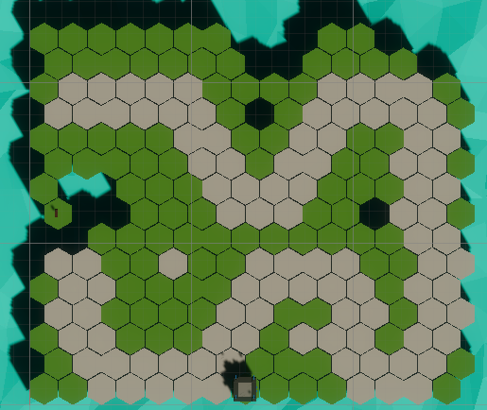
Initial Gold: 0 |  |  | Initial Life: 6 |  | Gold Growth: 2/sec
Round | True Interval | Name | Speed (grid/sec) | Number | Distance(gird) | gap time (sec) | Spawn Time | *Last Time (sec) | Rewards | Money at begin
1 | 10 | Strong | 0.4 | 2 | 6 | 15.00 | 0 | 30 | 20 | 20
2 | 25 | Fast | 0.8 | 50 | 0.4 | 0.50 | 0 | 25 | 50 | 90
3 | 25 | Giant | 0.3 | 1 | 0 | 0.00 | 0 | 0 | 20 | 190
4 | 60 | Strong | 0.4 | 10 | 0.8 | 2.00 | 0 | 20 | 100 | 330
5 | 30 | Giant | 0.3 | 1 | 0 | 0.00 | 0 | 0 | 20 | 490
 |  | Giant | 0.3 | 2 | 0.6 | 2.00 | 5 | 4 | 40

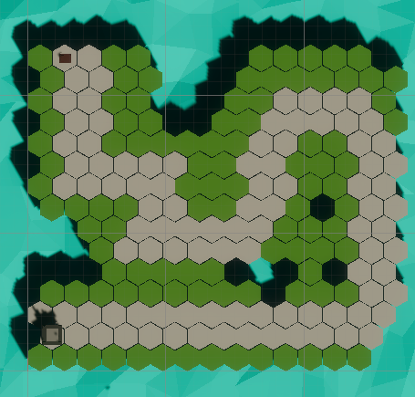

Initial Gold: 400 |  |  | Initial Life: 1 |  | Gold Growth: 1/sec
Round | True Interval | Name | Speed (grid/sec) | Number | Distance(gird) | gap time (sec) | Spawn Time | *Last Time (sec) | Rewards | Money at begin
1 | 20 | Giant | 0.3 | 5 | 1.5 | 5.00 | 0 | 25 | 100 | 410
2 | 60 | Fast | 0.8 | 100 | 0.2 | 0.25 | 0 | 25 | 100 | 540
3 | 60 | Giant | 0.3 | 10 | 2.1 | 7.00 | 0 | 70 | 200 | 670
 |  | Fast | 0.8 | 100 | 0.4 | 0.50 | 0 | 50 | 100

Old Level
Initial Gold: 40 |  |  |  | Initial Life: 20
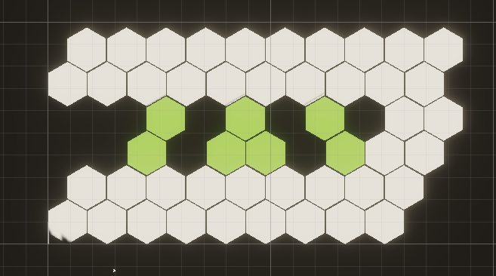
Round | True Interval | Interval (sec) | Interval Begin Time | Name | Speed (grid/sec) | Number | Density (/gird) | gap distance(grid) | gap time (sec) | Spawn Time | Last Time (sec) | Total Gold
1 | 30 | 30 | 0:10:00 | Regular | 0.5 | 5 | 1 | 1.00 | 2.00 | 0:00:00 | 10 | 25 | 110 | 257
2 | 40 | 30 | 0:45:00 | Strong | 0.4 | 6 | 1 | 1.00 | 2.50 | 0:00:00 | 15 | 55
3 | 75 | 30 | 0:40:00 | Fast | 0.8 | 10 | 1.5 | 0.67 | 0.83 | 0:00:00 | 8.3333333333 | 20 | 147
4 | 90 | 30 | / | Fast | 0.8 | 15 | 2.5 | 0.40 | 0.50 | 0:06:00 | 7.5 | 75
 |  |  |  | Boss | 0.3 | 1 | / |  |  | 0:15:00

*Interval begins counting down when all enemies have spawned in a round

Initial Gold: 400 |  |  |  | Initial Life: 20
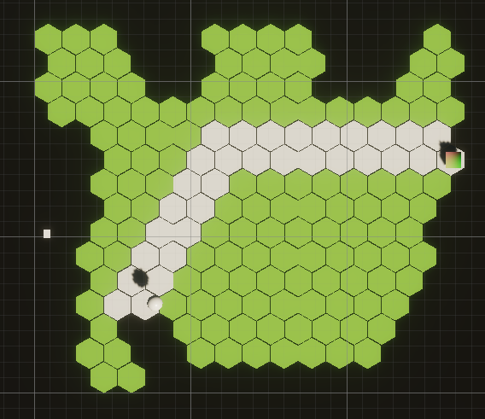
Round | True Interval | Interval (sec) | Interval Begin Time | Name | Speed (grid/sec) | Number | Density (/gird) | gap distance(grid) | gap time (sec) | Spawn Time | Last Time (sec) | Total Gold
1 | 30 | 30 | 0:30:00 | Regular | 0.5 | 12 | 1 | 1.00 | 2.00 | 0:00:00 | 24 | 60 | 90 | 402
 |  |  |  | Regular | 0.5 | 6 | 2 | 0.50 | 1.00 | 0:30:00 | 6 | 30
2 | 60 | 30 | 0:20:00 | Strong | 0.4 | 8 | 0.5 | 2.00 | 5.00 | 0:00:00 | 40 | 72 | 202
 |  |  |  | Fast | 0.8 | 20 | 2.5 | 0.40 | 0.50 | 0:20:00 | 10 | 40
 |  |  |  | Strong | 0.4 | 10 | 1 | 1.00 | 2.50 | 0:50:00 | 25 | 90
3 | 50 | 30 | 0:40:00 | Fast | 0.8 | 30 | 3 | 0.33 | 0.42 | 0:00:00 | 12.5 | 60 | 110
 |  |  |  | Regular | 0.5 | 10 | 1 | 1.00 | 2.00 | 0:10:00 | 20 | 50
 |  |  |  | Boss | 0.3 | 1 | / |  |  | 0:50:00 |  | /

Initial Gold: 150 |  |  |  | Initial Life: 20

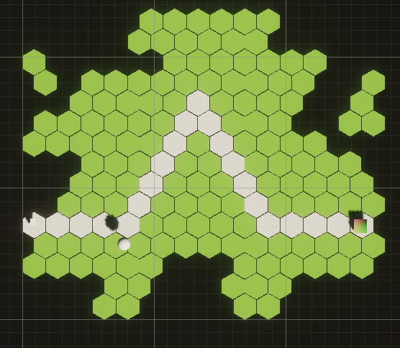
Round | True Interval | Interval (sec) | Interval Begin Time | Name | Speed (grid/sec) | Number | Density (/gird) | gap distance(grid) | gap time (sec) | Spawn Time | Last Time (sec) | Total Gold
1 | 20 | 20 | 0:20:00 | Fast | 0.8 | 30 | 2 | 0.50 | 0.63 | 0:00:00 | 18.75 | 60 | 140 | 680
 |  |  |  | Fast | 0.8 | 40 | 2 | 0.50 | 0.63 | 0:20:00 | 25 | 80
2 | 50 | 30 | 0:20:00 | Regular | 0.5 | 10 | 1 | 1.00 | 2.00 | 0:00:00 | 20 | 50 | 190
 |  |  |  | Strong | 0.4 | 10 | 1.5 | 0.67 | 1.67 | 0:10:00 | 16.666666667 | 90
 |  |  |  | Regular | 0.5 | 10 | 1 | 1.00 | 2.00 | 0:30:00 | 20 | 50
3 | 60 | 40 | 0:30:00 | Strong | 0.4 | 20 | 0.5 | 2.00 | 5.00 | 0:00:00 | 100 | 180 | 350
 |  |  |  | Regular | 0.5 | 10 | 1 | 1.00 | 2.00 | 0:20:00 | 20 | 50
 |  |  |  | Regular | 0.5 | 30 | 1 | 1.00 |  | 0:40:00 |  | 150
 |  |  |  | Boss | 0.3 | 1 | / | /

Initial Gold: 800 |  |  |  | Initial Life: 20
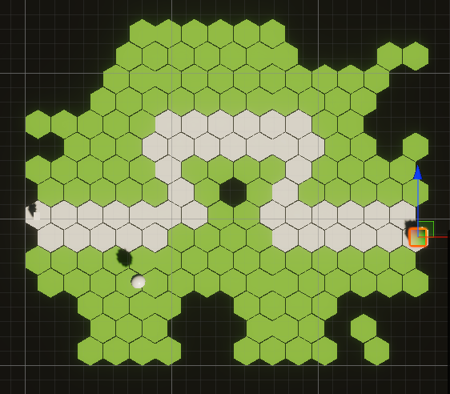
Round | True Interval | Interval (sec) | Interval Begin Time | Name | Speed (grid/sec) | Number | Density (/gird) | gap distance(grid) | gap time (sec) | Spawn Time | Last Time (sec) | Total Gold
1 | 20 | 20 | 0:35:00 | Regular | 0.5 | 20 | 0.5 | 2.00 | 4.00 | 0:00:00 | 80 | 100 | 325 | 1225
 |  |  |  | Regular | 0.5 | 15 | 1 | 1.00 | 2.00 |  | 30 | 75
 |  |  |  | Regular | 0.5 | 30 | 0.5 | 2.00 | 4.00 |  | 120 | 150
2 | 75 | 40 | 0:40:00 | Fast | 0.8 | 20 | 0.5 | 2.00 | 2.50 |  | 50 | 40 | 325
 |  |  |  | Strong | 0.4 | 10 | 2 | 0.50 | 1.25 |  | 12.5 | 90
 |  |  |  | Strong | 0.4 | 15 | 1 | 1.00 | 2.50 |  | 37.5 | 135
 |  |  |  | Fast | 0.8 | 30 | 0.5 | 2.00 | 2.50 |  | 75 | 60
3 | 90 | 50 | 0:40:00 | Strong | 0.4 | 10 | 2 | 0.50 | 1.25 |  | 1900-01-12 12:00:00 | 90 | 405
 |  |  |  | Strong | 0.4 | 15 | 0.5 | 2 | 5 |  | 75 | 135
 |  |  |  | Strong | 0.4 | 20 | 1 | 1 | 2.5 |  | 50 | 180
4 | 80 | 40 | 0:40:00 | Regular | 0.5 | 10 | 1 | 1 | 2 |  | 20 | 50 | 170
 |  |  |  | Fast | 0.8 | 30 | 0.5 | 2 | 2.5 |  | 75 | 60
 |  |  |  | Regular | 0.5 | 15 | 2 | 0.5 | 1 |  | 15 | 60
 |  |  |  | Boss | 0.3 | 1 | / | /

